Instructions
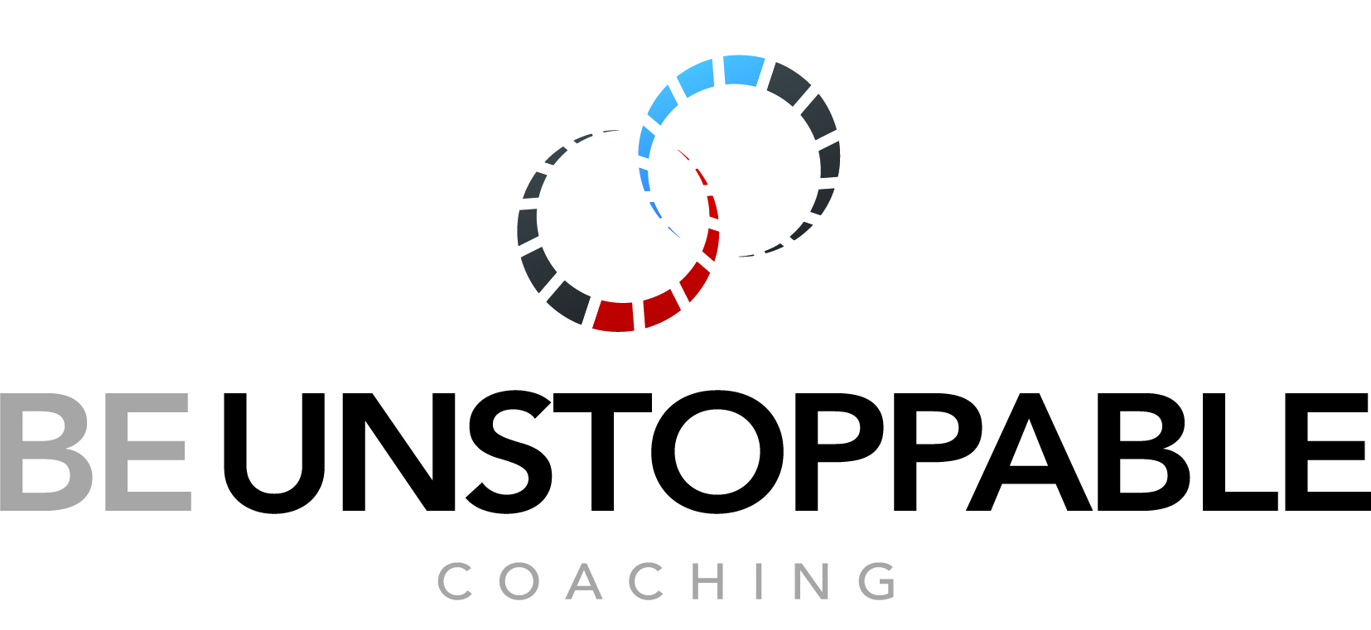
 | For Professional, Executive, Business or Life Coaching, Training, Workshops and Inspirational Speaking
 | contact us on: 1300 33 COACH or email: coach@beunstoppablecoaching.com

 | www.beunstoppablecoaching.com

BE UNSTOPPABLE helps people and businesses achieve real, tangible results ... and in short, to be unstoppable!

© ® BE UNSTOPPABLE is an organisation focused on ‘People Development’ and ‘Peak Performance’ through Professional and Executive Coaching, Business Coaching and Life Coaching.
BE UNSTOPPABLE is used by organisations to help managers, staff and teams to be more effective and achieve business and professional development goals, work through challenges, learn new skills and push beyond their limits. We also help individuals to identify, plan and achieve their life goals, overcome personal challenges, to break bad habits, replacing them with lifelong positive changes.
The ® D-R-I-V-E coaching model was developed by BE UNSTOPPABLE, with an insightful, systemized approach to coaching, where both coaches and coachees can work through a process that allows them to DRIVE in any direction they wish, taking individuals, teams and organisations towards their own destination of success, so that their lives are a product of choice, rather than circumstance.
What is a DRIVER? ... A ‘driver’ is a factor or catalyst that influences an outcome, causing something to happen, develop, change or be experienced.
BE UNSTOPPABLE DRIVERS are a collection of foundational universal wisdom, proven through centuries of application and decades of psychological and behavioural studies. These ‘drivers’ provide a framework for peak performance thinking, with mental and emotional conditioning, resulting in focused decisions and actions towards one’s desires, by enhancing the ability to harness personal strength and high self-worth for better performance, increasing levels of resilience to overcome challenges, a proactive mindset to take responsibility for decisions, actions and outcomes, mindfully connecting, communicating and building relationships that flourish in all areas of life.
The in-depth understanding and application of the BE UNSTOPPABLE DRIVERS can be utilised as individual components for targeted development, or collectively for holistic development. The applied combination of these BE UNSTOPPABLE DRIVERS creates a powerful, positive, sustainable change in anyone or organisation who mindfully and consciously uses them to DRIVE their life and business!

BE UNSTOPPABLE has classified six categories of targeted development areas that successful people harness for optimum results. All humans activate a level of each of these drivers within themselves, some stronger than others. This tool is designed to help you identify your natural application of the drivers and target areas for learning and development, helping you strengthen your mindset to achieve your desired life outcomes.
BE SIGNIFICANT
BE RESILIENT
BE PROACTIVE
BE CONNECTED­­
BE DRIVEN
BE CHALLENGED
INSTRUCTIONS
Read each statement and select the response that best describes your natural behaviour.
Use the drop-down menu to select "YES" in the column of your choice.
Select only one YES response per statement.
The responses must represent what you really are … not what you want others to think you are. Be honest. There are no wrong or right answers.
When you have completed answering all the statements, a percentage indicating the level you naturally apply for each of the BE UNSTOPPABLE DRIVERS will appear at the end of the assessment.

KEY - POSITIVE
Agree Acompletely | 7 | YES
Strongly Agree | 6 | YES
Somewhat Agree | 5 | YES
Neutral | 4 | YES
Somewhat Disagree | 3 | YES
Strongly Disagree | 2 | YES
Disagree Completely | 1 | YES

KEY - NEGATIVE
Agree Acompletely | 1 | YES
Strongly Agree | 2 | YES
Somewhat Agree | 3 | YES
Neutral | 4 | YES
Somewhat Disagree | 5 | YES
Strongly Disagree | 6 | YES
Disagree Completely | 7 | YES

